Sheet1
Cost of study | 6 |  |  |  | Using law of total probability, we can calculate P(f) and P(~f)

 | State | P(si) | P(f∣si) | P(si|f) |  | P(f) | 0.5225
low | s1 | 0.20 | 0.05 | 0.019139 |  | P(~f) | 0.4775
med | s2 | 0.45 | 0.40 | 0.344498
high | s3 | 0.35 | 0.95 | 0.636364
 |  |  |  |  | Then on column E, using Bayes theorem, we can find the P(si|f) and P(si|~f)

 |  |  |  |  |  | Decision table
 | State | P(si) | P(~f∣si) | P(si|~f) |  | Market study | Market study result | Design choice | E[profit] over demand | E[profit] after market study costs | Max E[profit] over design choice | E[profit] before market study | Max E[profit] over market study
low | s1 | 0.20 | 0.95 | 0.397906 |  | Yes | Favourable | Own design | 93.492822967 | 87.492822967 | 87.492822967 | 65.225 | 65.225
med | s2 | 0.45 | 0.60 | 0.565445 |  | Yes | Favourable | License design | 81.578947368 | 75.578947368
high | s3 | 0.35 | 0.05 | 0.036649 |  | Yes | Favourable | Not enter market | 0 | -6
 |  |  |  |  |  | Yes | Unfavourable | Own design | 30.680628272 | 24.680628272 | 40.858638743
 |  |  |  |  |  | Yes | Unfavourable | License design | 46.858638743 | 40.858638743
 | Profits | d0: No robots | d1: Own design | d2: License | Max profit for each demand | Yes | Unfavourable | Not enter market | 0 | 0
low | s1 | 0 | -5 | 10 | 10 | No | Unknown | Own design | 63.5 | 63.5 | 65 | 65
med | s2 | 0 | 50 | 70 | 70 | No | Unknown | License design | 65 | 65
high | s3 | 0 | 120 | 90 | 120 | No | Unknown | Not enter market | 0 | 0

Provide the answers in the green cell areas below. You can use any other areas in the worksheet to formulate calculations, draw the decision tree, and insert the graphs
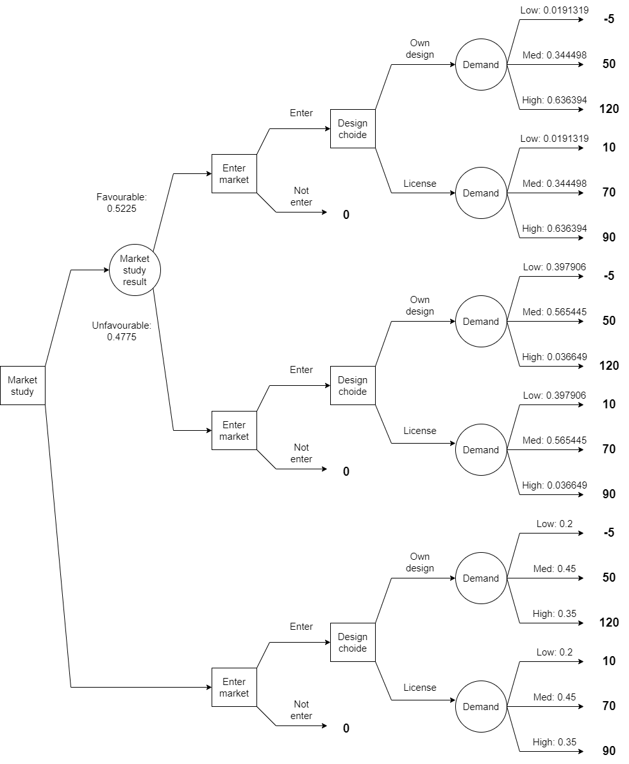
a) What is the optimal sequence of decisions when maximizing expected profits?
1st decision: buy a market study and decide to enter the market
2nd decision: if market study is favourable, proceed with using own design. If unfavourable, proceed with license design

E[Profit] | 65.225

b) |  |  | the EVPI for this decision problem to analyse the value of having perfect information on the demand before making a decision.
EVPI | 10.5 |  | 65 | Expected Profit without Perfect Information (EVwoPI)
 |  |  | 75.5 | Expected Profit with Perfect Information (EVwPI)
c)
EVSI | 0.225 |  | 65 | Expected Profit without Sample Information (EVwoSI)
Efficiency | 2.1428571429 |  | 65.225 | Expected Profit with Sample Information (EVwSI)
Cost increase | 0.225 |  |  | Efficiency = EVSI/EVPI*100%

d)
Prob decrease |  |  | By how much should the conditional probability P(f | s3) decrease for it to be optimal not to buy the market study?
Justification:

e)
P(Profits <= 0 | Study)
P(Profits <= 0 | No study)

f)
What is the optimal sequence of decisions when maximizing expected utility?

